Application_Screen
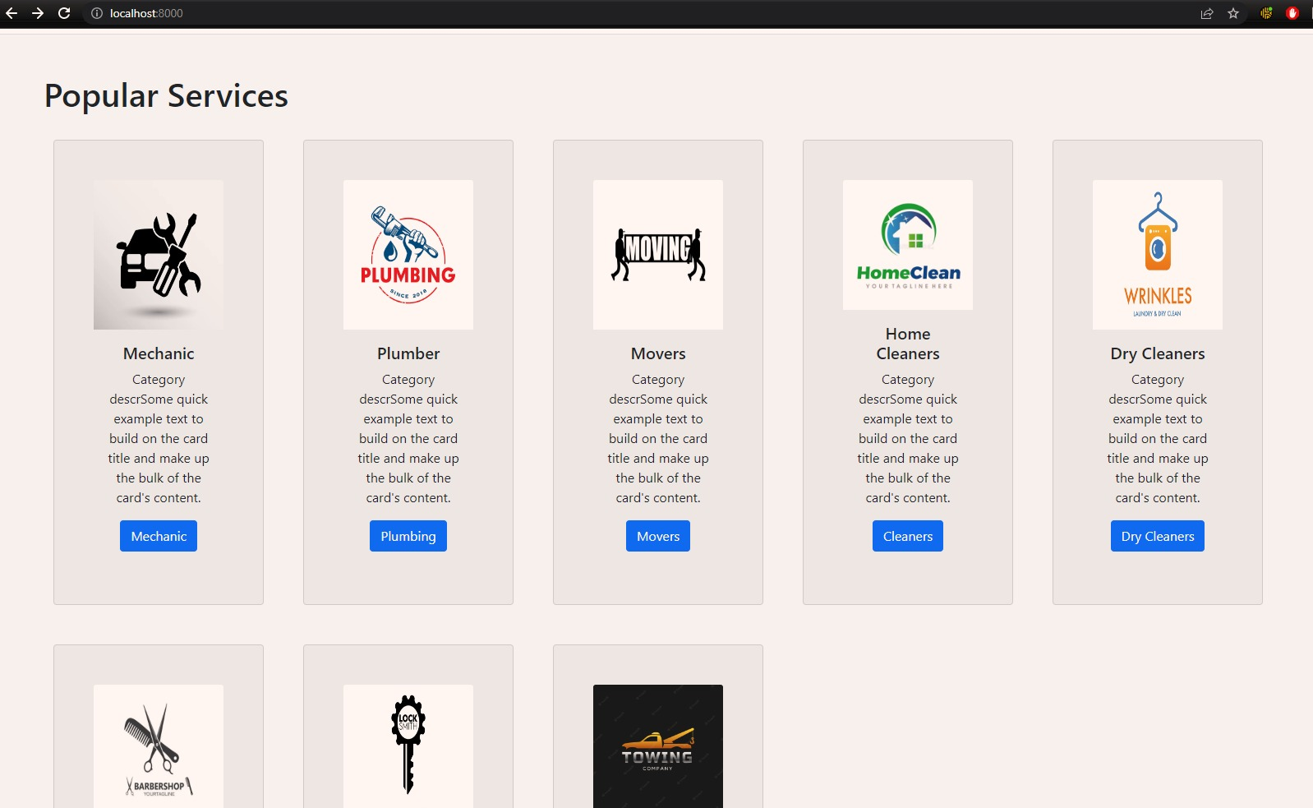
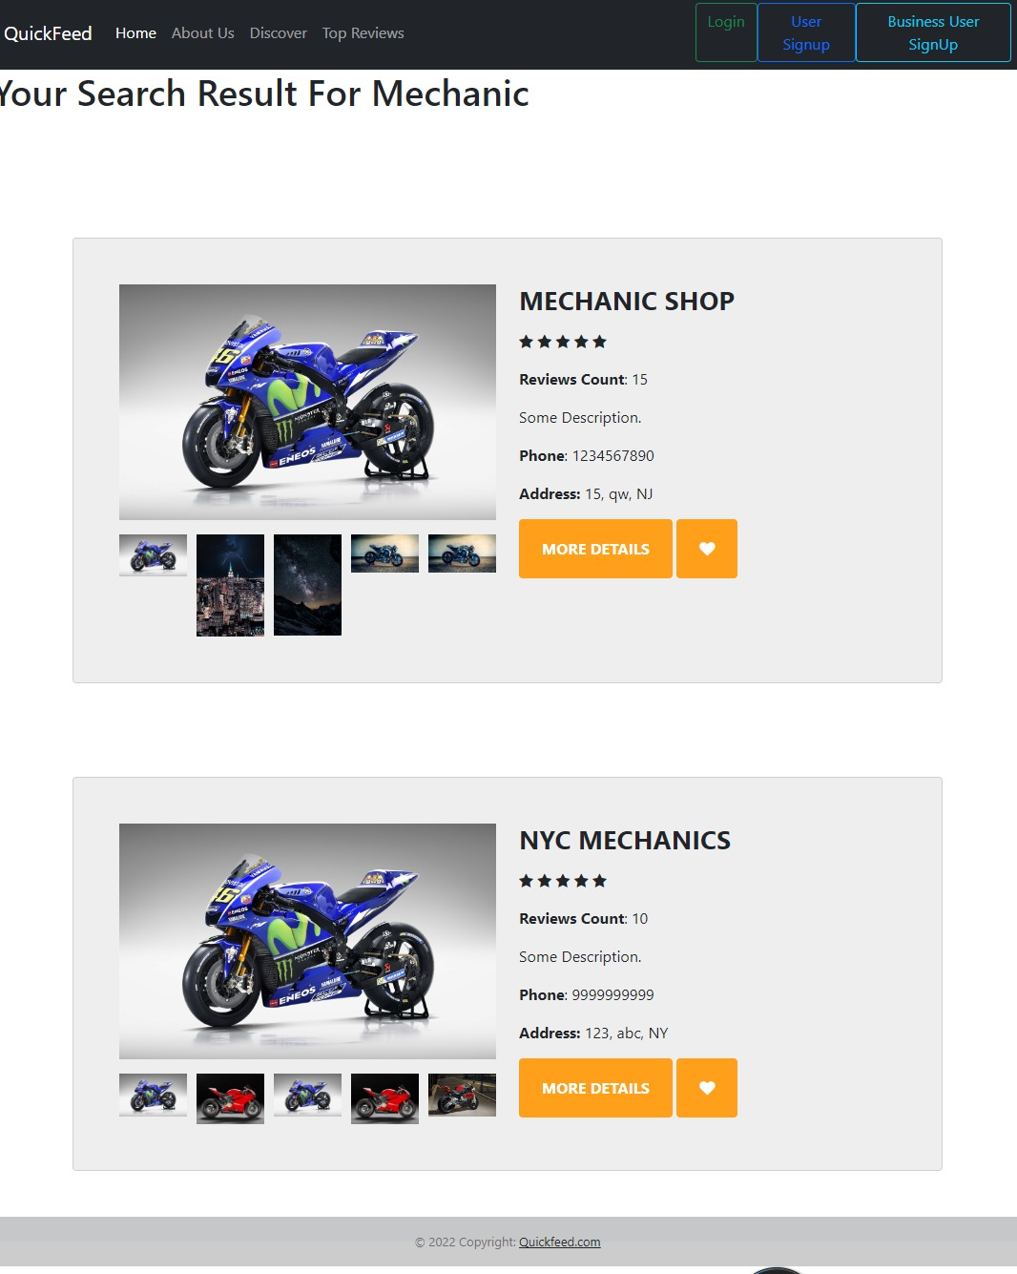

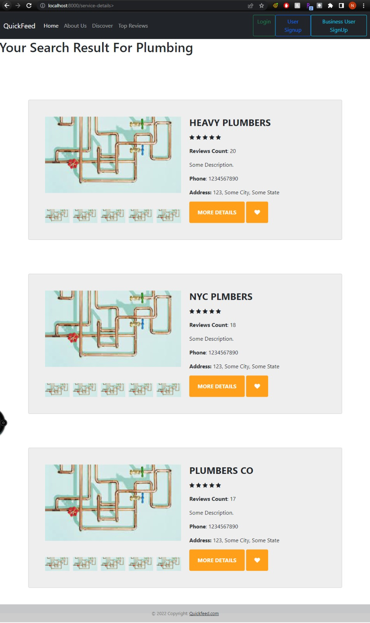
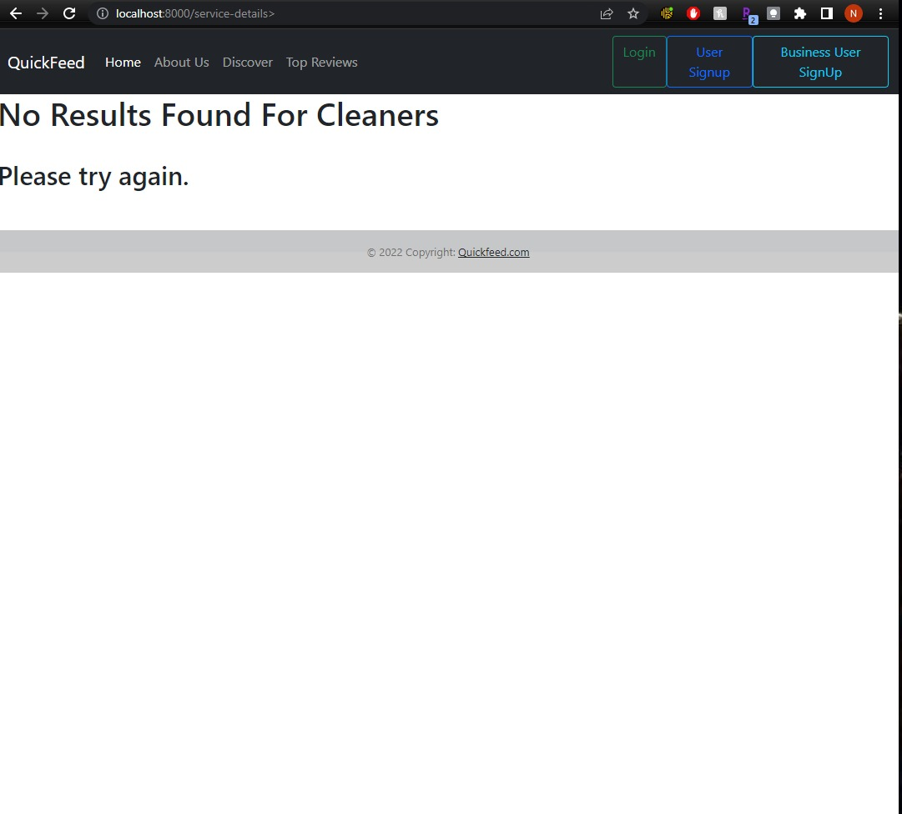

Test Case 4
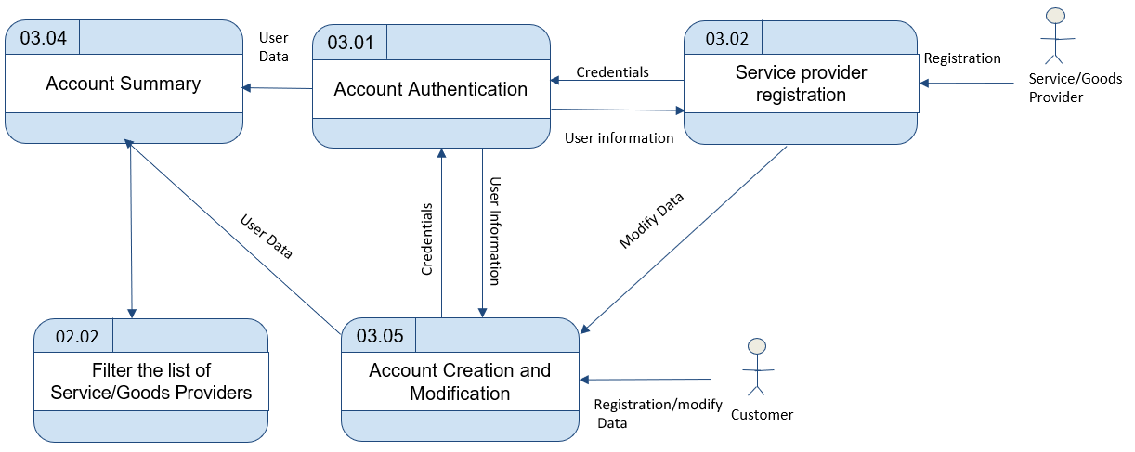
TC Title: | TC4. Filter the list of Service/Goods Providers - DF-In - Data Flow In

TC Objective: | This test case validates the data flows in to the top service providers from Service Provider registration data

TC Description
 | Step | Step Description | Expected Results
 | 1 | Register as a Service Provider. Select a category for the service you are providing. Try to access the top service providers by logging in as a Registered user | User should see the newly registered Service Provider name in the filtered list of service providers in the specific category
 | 2 | logins into his account as a Service Provider and deletes their account/Removes their name/service. Logins as a Registered User and tries to view the top service providers list and tries to find this specific Service Providers in that category. | User shouldn't see the newly un-registered Service Provider name in the filtered list of service providers in the specific category that the service provider was listed before.
 | 3 | Login as a Service Provider. Change your category for the service you are providing. Try to access the top service providers by logging in as a Registered user | User should see the newly modified Service Provider name in the filtered list of service providers in the specific category that the service provider was listed newly.

